Payroll
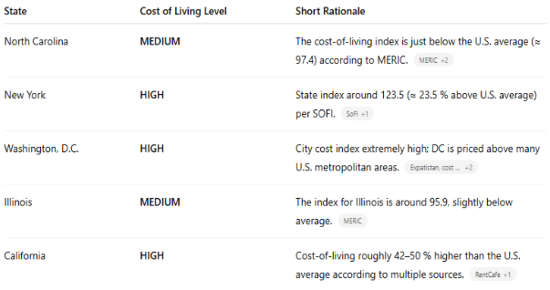
Pay Ladder |  |  |  |  |  | Cost of Living Key
Level | Title | Low COL | Medium COL | High COL |  | State | COL
I | Entry Level | $30 | $30 | $40 |  | NC | Medium
II | Training | $30 | $40 | $50 |  | IL | Medium
III | Senior Tutor | $40 | $50 | $60 |  | NY | High
IV | Admin | $50 | $50 | $60 |  | DC | High
 |  |  |  |  |  | MI | Medium

Employee | Hours (First Pay Period) | Hours (Second Pay Period) | Payrate | Gross Pay (15th Payroll) | Gross Pay (EOM Payroll) | Total Monthly Payroll
A | 1 | 1 | $50 | $50.00 | $50.00 | $100.00
B | 2 | 2 | $70 | $140.00 | $140.00 | $280.00
C | 4 | 4 | $50 | $200.00 | $200.00 | $400.00
D | 6 | 6 | $30 | $180.00 | $180.00 | $360.00
G | 5 | 5 | $30.00 | $150.00 | $150.00 | $300.00
H | 10 | 10 | $25.00 | $250.00 | $250.00 | $500.00
I | 20 | 20 | $22.00 | $440.00 | $440.00 | $880.00
J | 40 | 40 | $20.00 | $800.00 | $800.00 | $1,600.00
 |  |  |  | $2,210.00 | $2,210.00 | $4,420.00

